NSTG DSP Immunostaining
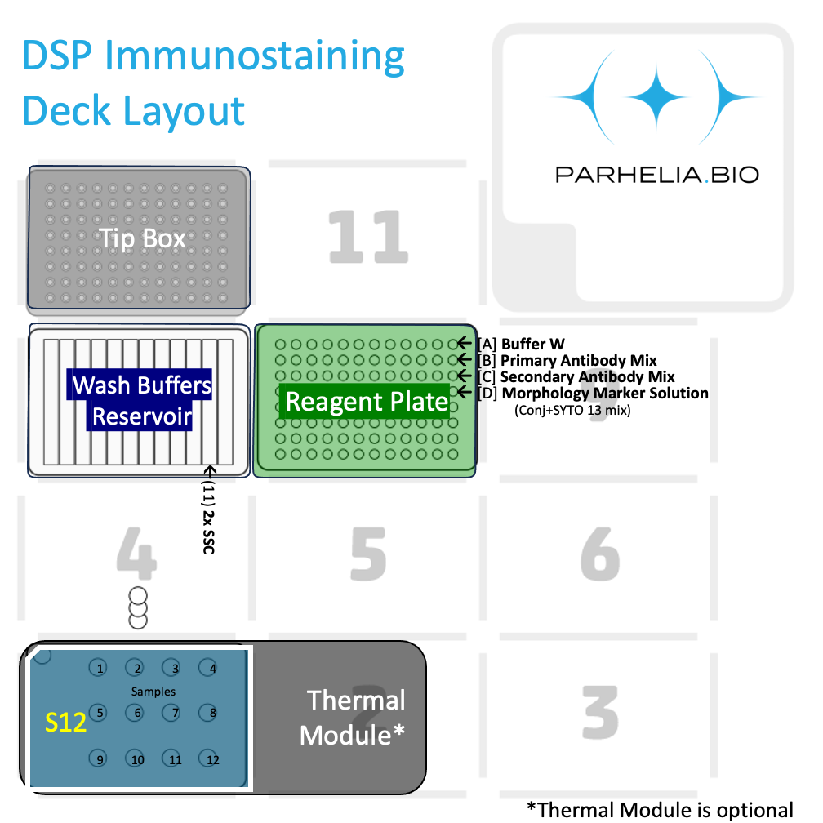
Baking? |  | Yes |  |  |  |  |  |  |  |  |  |  |  |  |  | Warning, check all the Yes/No is correct,
Dewax? |  | Yes
Rehydration |  | Yes
Antigen Retrieval HIER? |  | Yes
Proteinase K (Fixation)? |  | Yes
Primary Antibody Staining? |  | No
Secondary Antibody Staining? |  | No
Direct conjugates + SYTO? |  | Yes
Double Add Immunostaining reagents? |  | No
Number of Samples: |  | 2
Antibody Staining Volume [μL] |  | 110
Sample Wash Volume [μL] |  | 150
ER Buffer (ER1 or ER2) |  | ER2
Antibody cocktail [μL] / slide (ab_volume + 10) | Calculated cell -> | 120
[Labware Type] | [Deck Position] | [Details]
Tiprack 1 | 9 | 300/200 μL Tip rack #1

Omni-Stainer S12 Staining Module | 3 | Assemble flowcells Dry
 | 1 | 2 | 3 | 4
A | Sample 1 | Sample 2
B
C

Buffer plate | 1 | 12-trough, sealed with a pierceablealuminum seal
 | 1 | 2 | 3 | 4 | 5 | 6 | 7 | 8 | 9 | 10 | 11 | 12
A | Dewax | EtOH 100% | EtOH 95% | PBS | X | ER2 | Water | X | X | X | 2x SSC wash buffer | X |  | Last Updated: | 8-Mar-2024
Volume (at least) | 3.6mL | 4.6mL | 4.6mL | 4.6mL |  | 3.6mL | 3.6mL |  |  |  | 15 mL |  |  | © Parhelia Biosciences, 2023-2024
 |  |  |  |  |  |  |  | Prepare Fresh | Prepare Fresh | Prepare Fresh
Reagent Plate | 2 | 96-well plate, or strips, sealed with aluminum seal. Columns corresponds to samples in the Omni-stainer. Antibody mixes can be the same or different between columns.
Reagent | Volume [μL] / Well |  | 1 | 2 | 3 | 4 | 5 | 6 | 7 | 8 | 9 | 10 | 11 | 12 | Row Vol. (μL)
Antibody Diluent (Blocking Buffer) |  | A |  |  |  |  |  |  |  |  |  |  |  |  | 240
 |  | B
 |  | C
Direct conjugates + CYTO | 120 μL | D | 120 μL | 120 μL |  |  |  |  |  |  |  |  |  |  | 240
 |  | E
 |  | F
 |  | G
 |  | H
 |  |  |  |  |  |  |  |  |  |  |  |  |  |  | `

Solution Calculators

1X Antibody Staining Solution
 | Vol [μL] / Sample | Vol [μL] / Sample | Master Mix Vol. [μL]
Buffer W | 99.0 | 99.0 | 198.0
Nuclear stain (SYTO 13 [500 nM]) | 12.0 | 12.0 | 24.0
Morphology Marker 1 | 3.0 | 3.0 | 6.0
Morphology Marker 2 | 3.0 | 3.0 | 6.0
Additional Markers | 3.0 | 3.0 | 6.0
Total Solution Volume | 120.0 | 120.0 | 240.0
Total Antibodies | 21.0 | 21.0 | 42.0

Last Updated: Feb 26, 2024. Nels Wedin, Parhelia Biosciences

 |  | Yes

